Fig1. Local phenotype
 |  |  |  |  |  |  |  |  |  |  |  |  |  |  |  |  |  | Mite adaptation and basal immunity | genotype | adapted | TREATMENT | mites/ m2
 |  |  |  |  |  |  |  |  |  |  |  |  |  |  |  |  |  |  | 0 | 0 | 0 | 15 | 1amargo clementi
 | Ranks |  |  |  |  |  |  |  |  | Ranks |  |  |  |  |  |  |  |  | 0 | 0 | 0 | 22 | 1amargo clementi
 | Treatments |  | N | Mean Rank | Sum of Ranks |  |  |  |  | Treatments2 |  | N | Mean Rank | Sum of Ranks |  |  |  |  | 0 | 0 | 0 | 36 | 1amargo clementi
 | Leaf_damage | nm | 36 | 47.46 | 1708.50 |  |  |  |  | Eggs | nm | 31 | 38.77 | 1202.00 |  |  |  |  | 0 | 0 | 0 | 25 | 1amargo clementi
 |  | am | 36 | 25.54 | 919.50 |  |  |  |  |  | am | 31 | 24.23 | 751.00 |  |  |  |  | 0 | 0 | 0 | 23 | 1amargo clementi
 |  | Total | 72 |  |  |  |  |  |  |  | Total | 62 |  |  |  |  |  |  | 0 | 0 | 0 | 24.5 | 1amargo clementi
 |  |  |  |  |  |  |  |  |  |  |  |  |  |  |  |  |  |  | 1 | 0 | 1 | 32 | 2cleopatra clementi
 |  |  |  |  |  |  |  |  |  |  |  |  |  |  |  |  |  |  | 1 | 0 | 1 | 74 | 2cleopatra clementi
 | Test Statisticsa |  |  |  |  |  |  |  |  | Test Statisticsa |  |  |  |  |  |  |  |  | 1 | 0 | 1 | 80 | 2cleopatra clementi
 |  | Leaf_damage |  |  |  |  |  |  |  |  | Eggs |  |  |  |  |  |  |  | 1 | 0 | 1 | 36 | 2cleopatra clementi
 | Mann-Whitney U | 253.500 |  |  |  |  |  |  |  | Mann-Whitney U | 255.000 |  |  |  |  |  |  |  | 1 | 0 | 1 | 51 | 2cleopatra clementi
 | Wilcoxon W | 919.500 |  |  |  |  |  |  |  | Wilcoxon W | 751.000 |  |  |  |  |  |  |  | 1 | 0 | 1 | 54.6 | 2cleopatra clementi
 | Z | -4.443 |  |  |  |  |  |  |  | Z | -3.177 |  |  |  |  |  |  |  | 0 | 1 | 2 | 5 | 3amargo festuca
 | Asymp. Sig. (2-tailed) | 0.000 | * |  |  |  |  |  |  | Asymp. Sig. (2-tailed) | 0.001 | * |  |  |  |  |  |  | 0 | 1 | 2 | 4 | 3amargo festuca
 | a. Grouping Variable: Treatments |  |  |  |  |  |  |  |  | a. Grouping Variable: Treatments2 |  |  |  |  |  |  |  |  | 0 | 1 | 2 | 8 | 3amargo festuca
 |  |  |  |  |  |  |  |  |  |  |  |  |  |  |  |  |  |  | 0 | 1 | 2 | 1 | 3amargo festuca
 |  |  |  |  |  |  |  |  |  |  |  |  |  |  |  |  |  |  | 0 | 1 | 2 | 4 | 3amargo festuca
Tests of Normality |  |  |  |  |  |  |  |  |  | Tests of Normality |  |  |  |  |  |  |  |  | 0 | 1 | 2 | 4.4 | 3amargo festuca
Treatments |  | Kolmogorov-Smirnova |  |  | Shapiro-Wilk |  |  |  |  | Treatments2 |  | Kolmogorov-Smirnova |  |  | Shapiro-Wilk |  |  |  | 2 | 1 | 3 | 3.7 | 4cleopatra festuca
 |  | Statistic | df | Sig. | Statistic | df | Sig. |  |  |  |  | Statistic | df | Sig. | Statistic | df | Sig. |  | 2 | 1 | 3 | 5.6 | 4cleopatra festuca
Leaf_damage | nm | 0.175 | 36 | 0.007 | 0.741 | 36 | 0.000 |  |  | Eggs | nm | 0.213 | 31 | 0.001 | 0.901 | 31 | 0.008 |  | 2 | 1 | 3 | 6.4 | 4cleopatra festuca
 | am | 0.142 | 36 | 0.065 | 0.904 | 36 | 0.004 |  |  |  | am | 0.215 | 31 | 0.001 | 0.884 | 31 | 0.003 |  | 2 | 1 | 3 | 25 | 4cleopatra festuca
a. Lilliefors Significance Correction |  |  |  |  |  |  |  |  |  | a. Lilliefors Significance Correction |  |  |  |  |  |  |  |  | 2 | 1 | 3 | 4.1 | 4cleopatra festuca
 |  |  |  |  |  |  | No normality |  |  |  |  |  |  |  |  |  | No normality |  | 2 | 1 | 3 | 8.96 | 4cleopatra festuca

 |  |  |  |  |  |  |  |  |  |  |  |  |  |  |  |  |  |  |  | COMPARATIVA SO ADAPTED CON CLEO ADAPTED
 |  |  |  |  |  |  |  |  |  |  |  |  |  |  |  |  |  |  |  | Prueba de Kolmogorov-Smirnov para Col_1
 |  |  |  |  |  |  |  |  |  |  |  |  |  |  |  |  |  |  |  | Estadístico DN estimado = 0.833333
 |  |  |  |  |  |  |  |  |  |  |  |  |  |  |  |  |  |  |  | Estadístico K-S bilateral para muestras grandes = 1.44338
 |  |  |  |  |  |  |  |  |  |  |  |  |  |  |  |  |  |  |  | Valor P aproximado = 0.0310078

 |  |  |  |  |  |  |  |  |  |  |  |  |  |  |  |  |  |  |  | El StatAdvisor
 |  |  |  |  |  |  |  |  |  |  |  |  |  |  |  |  |  |  |  | Esta opción ejecuta una prueba de Kolmogorov-Smirnov para comparar las distribuciones de las dos muestras. Esta prueba se realiza calculando la distancia máxima entre las distribuciones acumuladas de las dos muestras. En este caso, la distancia máxima es 0.833333, que puede verse gráficamente seleccionando Gráfica de Cuantiles de la lista de Opciones Gráficas. De particular interés es el valor-P aproximado para la prueba. Debido a que el valor-P es menor que 0.05, existe una diferencia estadísticamente significativa entre las dos distribuciones con un nivel de confianza del 95.0%.

 |  |  |  |  |  |  |  |  |  |  |  |  |  |  |  |  |  |  |  | Comparación de Medias para Col_1
 |  |  |  |  |  |  |  |  |  |  |  |  |  |  |  |  |  |  |  | Intervalos de confianza del 95.0% para la media de Col_2=1amargo clementi: 0.2425 +/- 0.0713116 [0.171188, 0.313812]
 |  | Sour orange phenotype eggs |  |  |  |  |  |  |  |  |  |  |  |  |  |  |  |  |  | Intervalos de confianza del 95.0% para la media de Col_2=2cleopatra clementi: 0.546 +/- 0.204099 [0.341901, 0.750099]
 |  |  |  |  |  |  |  |  |  |  |  |  |  |  |  |  |  |  |  | Intervalos de confianza del 95.0% intervalo de confianza para la diferencia de medias
 |  |  | ALL EXPERIMENTS |  |  |  |  |  |  |  |  |  |  |  |  |  |  |  |  | suponiendo varianzas iguales: -0.3035 +/- 0.187397 [-0.490897, -0.116103]

Tests of Normality |  |  |  |  |  |  |  |  |  |  |  |  |  |  |  |  |  |  |  | Prueba t para comparar medias
Treatment |  | Kolmogorov-Smirnova |  |  | Shapiro-Wilk |  |  |  |  |  |  |  |  |  |  |  |  |  |  | Hipótesis nula: media1 = media2
 |  | Statistic | df | Sig. | Statistic | df | Sig. |  |  |  |  |  |  |  |  |  |  |  |  | Hipótesis Alt.: media1 <> media2
Eggs | nm | 0.159 | 18 | ,200* | 0.964 | 18 | 0.686 |  |  |  |  |  |  |  |  |  |  |  |  | suponiendo varianzas iguales: t = -3.6086 valor-P = 0.00477918
 | am | 0.211 | 18 | 0.034 | 0.942 | 18 | 0.311 |  |  |  |  |  |  |  |  |  |  |  |  | Se rechaza la hipótesis nula para alfa = 0.05.
*. This is a lower bound of the true significance.
a. Lilliefors Significance Correction |  |  |  |  |  |  |  |  |  |  |  |  |  |  |  |  |  |  |  | El StatAdvisor
 |  |  |  |  |  |  |  |  |  |  |  |  |  |  |  |  |  |  |  | Esta opción ejecuta una prueba-t para comparar las medias de las dos muestras. También construye los intervalos, ó cotas, de confianza para cada media y para la diferencia entre las medias. De interés particular es el intervalo de confianza para la diferencia entre las medias, el cual se extiende desde -0.490897 hasta -0.116103. Puesto que el intervalo no contiene el valor 0, existe una diferencia estadísticamente significativa entre las medias de las dos muestras, con un nivel de confianza del 95.0%.

 |  |  |  |  |  |  |  |  |  |  |  |  |  |  |  |  |  |  |  | También puede usarse una prueba-t para evaluar hipótesis específicas acerca de la diferencia entre las medias de las poblaciones de las cuales provienen las dos muestras. En este caso, la prueba se ha construido para determinar si la diferencia entre las dos medias es igual a 0.0 versus la hipótesis alterna de que la diferencia no es igual a 0.0. Puesto que el valor-P calculado es menor que 0.05, se puede rechazar la hipótesis nula en favor de la alterna.

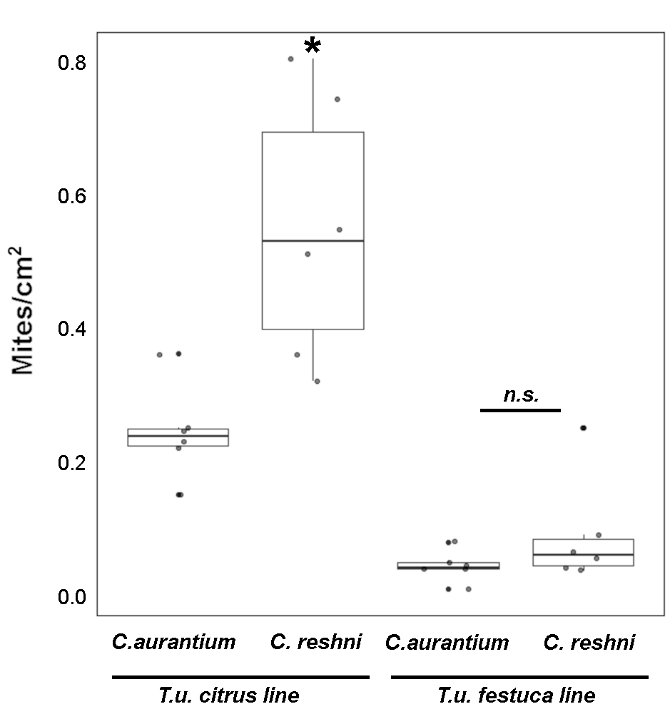
Group Statistics
Treatment |  | N | Mean | Std. Deviation | Std. Error Mean
Eggs | nm | 18 | 82.4444 | 22.11793 | 5.21324 |  |  |  |  |  |  |  |  |  |  |  |  |  |  | COMPARARUVE MITES FORM FESTUCA
 | am | 18 | 33.8889 | 15.31969 | 3.61088 |  |  |  |  |  |  |  |  |  |  |  |  |  |  | Comparación de Medias para Col_1
 |  |  |  |  |  |  |  |  |  |  |  |  |  |  |  |  |  |  |  | Intervalos de confianza del 95.0% para la media de Col_2=3amargo festuca: 0.044 +/- 0.0235598 [0.0204402, 0.0675598]
Independent Samples Test |  |  |  |  |  |  |  |  |  |  |  |  |  |  |  |  |  |  |  | Intervalos de confianza del 95.0% para la media de Col_2=4cleopatra festuca: 0.0896 +/- 0.084792 [0.00480796, 0.174392]
 |  | Levene's Test for Equality of Variances |  | t-test for Equality of Means |  |  |  |  |  |  |  |  |  |  |  |  |  |  |  | Intervalos de confianza del 95.0% intervalo de confianza para la diferencia de medias
 |  | F | Sig. | t | df | Sig. (2-tailed) | Mean Difference | Std. Error Difference | 95% Confidence Interval of the Difference |  |  |  |  |  |  |  |  |  |  | suponiendo varianzas iguales: -0.0456 +/- 0.0762807 [-0.121881, 0.0306807]
 |  |  |  |  |  |  |  |  | Lower | Upper
Eggs | Equal variances assumed | 0.625 | 0.435 | 7.657 | 34 | 0.000 | 48.55556 | 6.34164 | 35.66779 | 61.44332 |  |  |  |  |  |  |  |  |  | Prueba t para comparar medias
 | Equal variances not assumed |  |  | 7.657 | 30.260 | 0.000 | 48.55556 | 6.34164 | 35.60885 | 61.50226 |  |  |  |  |  |  |  |  |  | Hipótesis nula: media1 = media2
 |  |  |  |  |  |  |  |  |  |  |  |  |  |  |  |  |  |  |  | Hipótesis Alt.: media1 <> media2
 |  |  |  |  |  |  |  |  |  |  |  |  |  |  |  |  |  |  |  | suponiendo varianzas iguales: t = -1.33197 valor-P = 0.212431
 |  |  |  |  |  |  |  |  |  |  |  |  |  |  |  |  |  |  |  | No se rechaza la hipótesis nula para alfa = 0.05.

 |  |  |  |  |  |  |  |  |  |  |  |  |  |  |  |  |  |  |  | El StatAdvisor
 |  |  |  |  |  |  |  |  |  |  |  |  |  |  |  |  |  |  |  | Esta opción ejecuta una prueba-t para comparar las medias de las dos muestras. También construye los intervalos, ó cotas, de confianza para cada media y para la diferencia entre las medias. De interés particular es el intervalo de confianza para la diferencia entre las medias, el cual se extiende desde -0.121881 hasta 0.0306807. Puesto que el intervalo contiene el valor de 0, no hay diferencia significativa entre las medias de las dos muestras de datos, con un nivel de confianza del 95.0%.

 |  |  |  |  |  |  |  |  |  |  |  |  |  |  |  |  |  |  |  | También puede usarse una prueba-t para evaluar hipótesis específicas acerca de la diferencia entre las medias de las poblaciones de las cuales provienen las dos muestras. En este caso, la prueba se ha construido para determinar si la diferencia entre las dos medias es igual a 0.0 versus la hipótesis alterna de que la diferencia no es igual a 0.0. Puesto que el valor-P calculado no es menor que 0.05, no se puede rechazar la hipótesis nula.

 |  |  |  |  |  |  |  |  |  |  |  |  |  |  |  |  |  |  |  | NOTA: estos resultados asumen que las varianzas de las dos muestras son iguales. En este caso, la suposición es cuestionable puesto que los resultados de la prueba-F para comparar las desviaciones estándar sugieren que pueden existir diferencias significativas entre ellas. Pueden verse los resultados de esta prueba seleccionando Comparación de Desviaciones Estándar del menú de Opciones Tabulares.

 |  |  |  |  |  |  |  |  |  |  |  |  |  |  |  |  |  |  |  | Prueba de Kolmogorov-Smirnov para Col_1
 |  |  |  |  |  |  |  |  |  |  |  |  |  |  |  |  |  |  |  | Estadístico DN estimado = 0.5
 |  |  |  |  |  |  |  |  |  |  |  |  |  |  |  |  |  |  |  | Estadístico K-S bilateral para muestras grandes = 0.866025
 |  |  |  |  |  |  |  |  |  |  |  |  |  |  |  |  |  |  |  | Valor P aproximado = 0.448738

 |  |  |  |  |  |  |  |  |  |  |  |  |  |  |  |  |  |  |  | El StatAdvisor
 |  |  |  |  |  |  |  |  |  |  |  |  |  |  |  |  |  |  |  | Esta opción ejecuta una prueba de Kolmogorov-Smirnov para comparar las distribuciones de las dos muestras. Esta prueba se realiza calculando la distancia máxima entre las distribuciones acumuladas de las dos muestras. En este caso, la distancia máxima es 0.5, que puede verse gráficamente seleccionando Gráfica de Cuantiles de la lista de Opciones Gráficas. De particular interés es el valor-P aproximado para la prueba. Debido a que el valor-P es mayor ó igual que 0.05, no hay diferencia estadísticamente significativa entre las dos distribuciones con un 95.0%.

Fig 2B,3B hormones
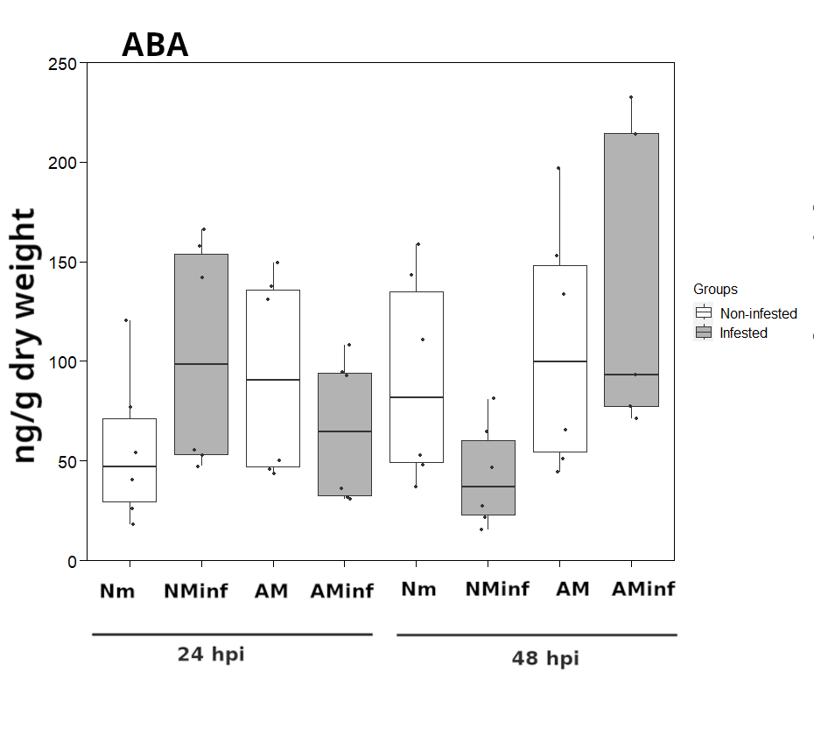
Each treatment (NM inf, AM and AM inf) is compared to the control; Nminf and Aminf are also compared).

ABA

Not all the groups are normally distributed ---> GLIM
 |  |  |  |  |  |  |  | GLIM
Tests of Normality |  |  |  |  |  |  |  |  | NM 24 |  |  |  | AM INF 24
Treatments |  | Kolmogorov-Smirnova |  |  | Shapiro-Wilk |  |  | ABA | X2 | P |  | ABA | X2 | P
 |  | Statistic | df | Sig. | Statistic | df | Sig. | NM INF 24 | 3.44 | 0.064 |  | NM INF 24 | 2.243 | 0.622
ABA_24_and_48 | nm 24 | 0.185 | 6 | ,200* | 0.921 | 6 | 0.513 | AM 24 | 2.409 | 0.121
 | nm inf 24 | 0.300 | 6 | 0.099 | 0.785 | 6 | 0.043 | AM INF 24 | 0.243 | 0.622
 | am 24 | 0.299 | 6 | 0.100 | 0.776 | 6 | 0.036
 | am inf 24 | 0.292 | 6 | 0.120 | 0.790 | 6 | 0.048 | GLIM
 | nm 48 | 0.269 | 6 | ,200* | 0.871 | 6 | 0.229 |  | NM 48 |  |  |  | AM INF 48
 | nm inf 48 | 0.226 | 6 | ,200* | 0.921 | 6 | 0.515 | ABA | X2 | P |  | ABA | X2 | P
 | am 48 | 0.248 | 6 | ,200* | 0.894 | 6 | 0.340 | NM INF 48 | 4.981 | 0.026 | * | NM INF 48 | 11.272 | 0.001 | ***
 | am inf 48 | 0.273 | 6 | 0.185 | 0.850 | 6 | 0.157 | AM 48 | 0.267 | 0.606
*. This is a lower bound of the true significance. |  |  |  |  |  |  |  | AM INF 48 | 3.152 | 0.076
a. Lilliefors Significance Correction

JA-Ile

Some groups are not normally distributed ---> GLIM
 |  |  |  |  |  |  |  | Every treatment (NM inf, AM and AM inf) is compared to the control; Nminf and Aminf are also compared).

Tests of Normality
Treatments |  | Kolmogorov-Smirnova |  |  | Shapiro-Wilk |  |  |  | GLIM
 |  | Statistic | df | Sig. | Statistic | df | Sig.
JA_Ile_24_and_48 | nm 24 | 0.200 | 6 | ,200* | 0.930 | 6 | 0.583
 | nm inf 24 | 0.338 | 6 | 0.031 | 0.753 | 6 | 0.021 |  | NM 24 |  |  |  | AM INF 24
 | am 24 | 0.250 | 6 | ,200* | 0.918 | 6 | 0.493 | JA-Ile | X2 | P |  | JA-Ile | X2 | P
 | am inf 24 | 0.319 | 6 | 0.056 | 0.807 | 6 | 0.067 | NM INF 24 | 3.502 | 0.061 |  | NM INF 24 | 0.268 | 0.605
 | nm 48 | 0.363 | 6 | 0.013 | 0.696 | 6 | 0.006 | AM 24 | 0.956 | 0.328
 | nm inf 48 | 0.211 | 6 | ,200* | 0.912 | 6 | 0.451 | AM INF 24 | 6.775 | 0.009 | **
 | am 48 | 0.332 | 6 | 0.037 | 0.712 | 6 | 0.008
 | am inf 48 | 0.249 | 5 | ,200* | 0.847 | 5 | 0.186
*. This is a lower bound of the true significance.
a. Lilliefors Significance Correction
 |  |  |  |  |  |  |  |  | NM 48 |  |  |  | AM INF 48
 |  |  |  |  |  |  |  | JA-Ile | X2 | P |  | JA-Ile | X2 | P
 |  |  |  |  |  |  |  | NM INF 48 | 0.322 | 0.57 |  | NM INF 24 | 7.288 | 0.007 | **
 |  |  |  |  |  |  |  | AM 48 | 1.409 | 0.235
 |  |  |  |  |  |  |  | AM INF 48 | 6.802 | 0.009

OPDA

 | Some groups are not normally distributed ---> GLIM |  |  |  |  |  |  | Every treatment (NM inf, AM and AM inf) is compared to the control; Nminf and Aminf are also compared).

 |  |  |  |  |  |  |  | GLIM

 |  |  |  |  |  |  |  |  | NM 24 |  |  |  | AM INF 24
 |  |  |  |  |  |  |  | OPDA | X2 | P |  | OPDA | X2 | P
 |  |  |  |  |  |  |  | NM INF 24 | 1.74 | 0.187 |  | NM INF 24 | 0.209 | 0.647
 |  |  |  |  |  |  |  | AM 24 | 6.393 | 0.011
Tests of Normality |  |  |  |  |  |  |  | AM INF 24 | 0.967 | 0.325
Treatments |  | Kolmogorov-Smirnova |  |  | Shapiro-Wilk
 |  | Statistic | df | Sig. | Statistic | df | Sig.
OPDA_24_and_48 | nm 24 | 0.250 | 6 | ,200* | 0.794 | 6 | 0.052
 | nm inf 24 | 0.333 | 6 | 0.036 | 0.796 | 6 | 0.054
 | am 24 | 0.333 | 6 | 0.036 | 0.834 | 6 | 0.117
 | am inf 24 | 0.207 | 6 | ,200* | 0.906 | 6 | 0.412 |  | NM 48 |  |  |  | AM INF 48
 | nm 48 | 0.316 | 6 | 0.061 | 0.719 | 6 | 0.010 | OPDA | X2 | P |  | OPDA | X2 | P
 | nm inf 48 | 0.265 | 6 | ,200* | 0.833 | 6 | 0.114 | NM INF 48 | 0.563 | 0.453 |  | NM INF 48 | 2.837 | 0.092
 | am 48 | 0.292 | 6 | 0.120 | 0.831 | 6 | 0.110 | AM 48 | 8.853 | 0.003
 | am inf 48 | 0.275 | 6 | 0.175 | 0.812 | 6 | 0.075 | AM INF 48 | 4.707 | 0.03
*. This is a lower bound of the true significance.
a. Lilliefors Significance Correction

Fig 8A Persimlis choice
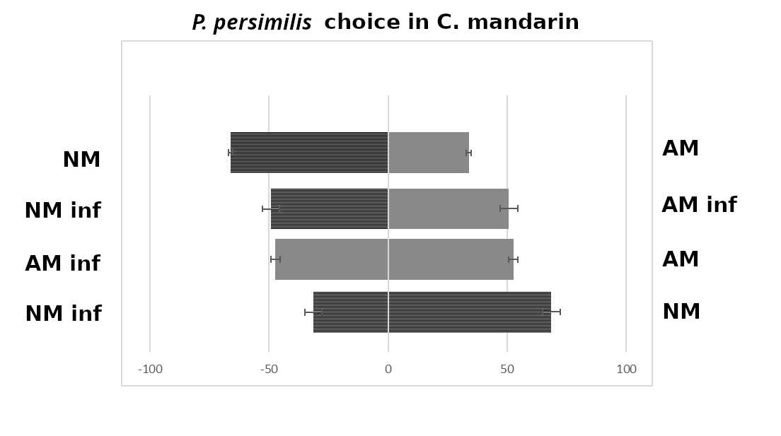
NM-AM
Binomial Test
 |  | Category | N | Observed Prop. | Test Prop. | Exact Sig. (2-tailed)
Olfactometer | Group 1 | NM | 52 | 0.33 | 0.50 | 0.000
 | Group 2 | AM | 107 | 0.67
 | Total |  | 159 | 1.00

NM inf-AM inf
Binomial Test
 |  | Category | N | Observed Prop. | Test Prop. | Exact Sig. (2-tailed)
Olfactometer | Group 1 | NM inf | 81 | 0.51 | 0.50 | 0.811
 | Group 2 | AM inf | 77 | 0.49
 | Total |  | 158 | 1.00

AM-AM inf
Binomial Test
 |  | Category | N | Observed Prop. | Test Prop. | Exact Sig. (2-tailed)
Olfactometer | Group 1 | AM | 77 | 0.49 | 0.50 | 0.873
 | Group 2 | AM inf | 80 | 0.51
 | Total |  | 157 | 1.00

NM inf-NM
Binomial Test
 |  | Category | N | Observed Prop. | Test Prop. | Exact Sig. (2-tailed)
Olfactometer | Group 1 | NM inf | 102 | 0.69 | 0.50 | 0.000
 | Group 2 | NM | 46 | 0.31
 | Total |  | 148 | 1.00

